CVI notes
BUT100 CRM |  | BUT100 ECC
0 | General Business Partner | 0 | General Business Partner | SAP CRM Integration
BBP000 | Vendor | BKK010 | Account Holder | If you have an SAP CRM system integrated with your ERP, the CVI conversion requires special attention to ensure the link between the systems is not broken. The Business Partners in both systems are linked by a unique identifier (GUID).
BBP001 | Bidder | BKK020 | Authorized Drawer | Crucial Prerequisite: Before you start the CVI mass synchronization in ECC, you must implement specific BAdIs and correction reports provided by SAP130. These ensure that when BPs are created in ECC, they are created with the same GUID as their counterparts in CRM.
BBP002 | Portal Provider | BKK030 | Bank Statement Recipient | Failure to do this will irretrievably break the mapping between the systems131.
BBP003 | Plant | BKK200 | Acct Maintenance Officer | The leading SAP Note for this topic, which contains all necessary steps and links to other notes, is 2285062132.
BBP004 | Purchasing Company | BUP001 | Contact Person | Industry-Specific Solutions (Utilities & Retail)
BEA001 | Billing Unit | BUP002 | Prospect | SAP IS-U (Utilities): This industry solution has its own specific process and reports for handling the CVI conversion. You cannot use the standard MDS_LOAD_COCKPIT133. You must use the reports REU_CVI_CUST_LINK and REU_CVI_EKUN_TO_BUTOID134. Refer to SAP Note 2344100 for details135.
BKK010 | Account Holder | BUP003 | Employee
BKK020 | Authorized Drawer | BUP004 | Organizational Unit
BKK030 | Bank Statement Recipient | BUP005 | Internet User
BUP001 | Contact Person | CACSA1 | Commission Contract Part.
BUP002 | Prospect | CACSA2 | Commission Clerk | Created in E4Q no Sold to in CRM
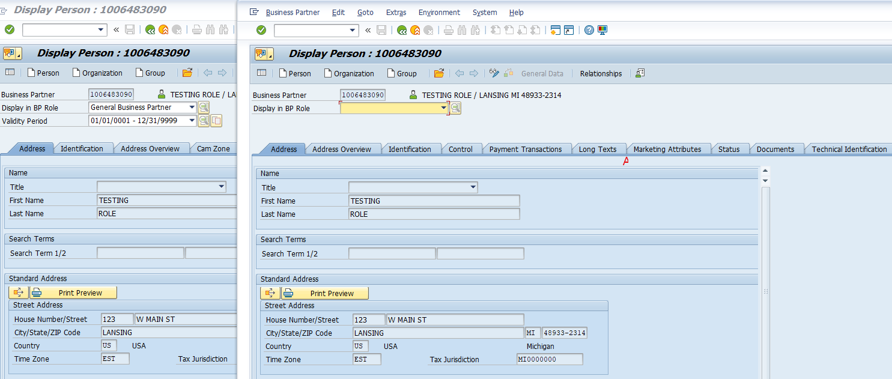
BUP003 | Employee | CACSA3 | Agents
BUP004 | Organizational Unit | CBIH10 | External Person
BUP005 | Internet User | CBIH20 | Authority
CHM001 | Corporate Channel Partner | CMS001 | Collateral Partner
CRM000 | Sold-To Party | FLCU00 | CVI: FI Customer
CRM002 | Ship-To Party | FLCU01 | CVI: Customer
CRM003 | Payer | FLCU02 | CVI Conversion Test
CRM004 | Bill-To Party | FLVN00 | CVI: FI Vendor
CRM005 | Competitor | FLVN01 | CVI: Vendor
CRM006 | Consumer | FS0000 | Financial Services BP
CRM007 | Supplier | FS0001 | FS Max. No.
CRM008 | Marketplace Customer | FS0002 | FSmin
CRM010 | Forwarding Agent | FS0003 | FS - Differentiation Type
CRM012 | Consolidator | FS0004 | FS - Company Code
CRM013 | Remanufacturer | FS0005 | FS - Direct Input
CRM014 | MRP Area | FS0006 | FS - Regulatory Reporting
CRM015 | Loyalty Partner | FS0KNE | Borrower Entity
CRM016 | Guest User | FTB000 | Business Partner Co.Code | CRM created with SS or DL - in S4 where will that store? Mapped to BUT0ID and BUT000?
CRMACC | Account | HEA010 | Doctor | Key details regarding EKUN in S/4HANA:
CRMICM |  | HEA020 | External Physician | Role: It continues to store IS-U specific fields for business partners.
FS0000 | Financial Services BP | HEA030 | Health Center | S/4HANA Challenges: Standard SAP Notes (e.g., 2810745) indicate that EKUN might not update correctly during the creation of a business partner in S/4HANA Utilities (S4CRM) if not handled properly.
FS0001 | FS Max. No. | HEA040 | Laboratory | Best Practices: SAP recommends using specific APIs and classes (e.g., CL_ISU_EKUN_BUFFER_WITHOUT_BDT) for managing EKUN data within S/4HANA, rather than relying on direct BDT (Business Data Toolset) methods.
ISHDPT | Doctor's Practice | HEA050 | External Company | Data Migration: During conversion to S/4HANA, mappings are needed to establish links between IS-U data and the new SAP Business Partner structure (BUT000, etc.).
ISHHSP | Hospital | HR1000 | HR- Payee | LeanX +3
ISHINS | Health Insurance Provider | IHB010 | Acct. Holder IHC | If you are using SAP S/4HANA Utilities, EKUN is active, but you must ensure that technical upgrades or notes are applied to ensure proper data synchronization, particularly if you are using S/4HANA for Customer Management (S4CRM).
ISHMEM | Member | ISUI | Installer | Scribd +1
ISHPAT | Patient | MKK | Contract Partner
ISHPHY | Physician | PSSP01 | Sponsor
PRCONT | Partner Contact Person | RCFBRA | Branch
PRMP | Channel Partner | SRM000 | Stakeholder
TR0100 | Main Loan Partner | TR0100 | Main Loan Partner
TR0151 | Counterparty | TR0101 | Borrower
TR0655 | Guarantor | TR0110 | Prospect
TR0801 | Broker | TR0113 | Credit Standing Check
Z3PRTY | Authorized 3rd Party | TR0115 | Special Arrangement
ZCORPD | Corporate Division | TR0120 | Cust. Authorized Drawer
ZE_CAM | Employee-CAM | TR0121 | Other Loan Partner
ZIDE | IDE Contract Partner | TR0150 | Issuer
ZPARNT | Parent | TR0151 | Counterparty
ZSUBSD | Subsidiary | TR0152 | Depository Bank
ZSVCPR | Service Provider | TR0153 | Paying Bank
 |  | TR0154 | Beneficiary
 |  | TR0160 | Ultimate Borrower
 |  | TR0200 | Guarantor
 |  | TR0202 | Alternative Payer
 |  | TR0203 | Collector
 |  | TR0600 | Master Tenant w.Cust.Acct
 |  | TR0601 | Tenant (w/o Cust.Account)
 |  | TR0602 | Landlord w.Vendor Account
 |  | TR0603 | Partner w. Customer Acct
 |  | TR0604 | Partner w. Vendor Account
 |  | TR0610 | Tenant Ext.Compar.Apartmt
 |  | TR0622 | Subsidizer
 |  | TR0624 | Subsidizer (w.Cust.Acct)
 |  | TR0630 | Court
 |  | TR0635 | State Central Bank
 |  | TR0636 | Bank for Rent Deposit
 |  | TR0640 | Applicants
 |  | TR0641 | Co-Applicant
 |  | TR0645 | Authorized Occupant
 |  | TR0646 | Auth. to Suggest Tenant
 |  | TR0655 | Guarantor
 |  | TR0700 | Policyholder
 |  | TR0701 | Insurer
 |  | TR0702 | Person Insured
 |  | TR0703 | Credit Institute
 |  | TR0800 | CVI: FI Customer
 |  | TR0801 | Broker
 |  | TR0802 | Notary
 |  | TR0803 | Property Developer
 |  | TR0804 | Primary Contractor
 |  | TR0805 | Primary Receiver
 |  | TR0806 | Administrator
 |  | TR0807 | Technology
 |  | TR0808 | Janitor
 |  | TR0809 | Architect
 |  | TR0810 | Land Registry
 |  | TR0815 | Appraiser
 |  | TR0820 | Survey Office
 |  | TR0821 | Tax Office
 |  | TR0822 | Creditor
 |  | TR0850 | Corresp. Partner (priv.)
 |  | TR0860 | Corresp. Partner (Bus.)
 |  | TR0990 | Loan Contract Officer
 |  | TR0991 | Loan Rollover Officer
 |  | TR0992 | Loan Accounting Officer
 |  | TR0997 | SCS Clerk
 |  | TR0998 | Clerk
 |  | TXS001 | Investor
 |  | UDM000 | BP Collections Management
 |  | UKM000 | BP Credit Management
 |  | Z3PRTY | Authorized 3rd Party
 |  | ZCORPD | Corporate Division
 |  | ZE_CAM | Employee-CAM
 |  | ZES001 | ES Services Customer
 |  | ZFAE30 | Occupant3 - Contractor
 |  | ZFAI10 | Occupant1 - Employee
 |  | ZFAI20 | Occupant2 - Cost Center
 |  | ZFAI40 | Field Leader
 |  | ZIDE | IDE Contract Partner
 |  | ZPARNT | Parent
 |  | ZSC001 | SC Business Partner
 |  | ZSUBSD | Subsidiary
 |  | ZSVCPR | Service Provider
 |  | ZTA001 | TA Business Partner-Vend
 |  | ZTA002 | TA Business Partner-CMS
 |  | ZTA003 | TA-SG-E2E-BusinessPartner

